Summary
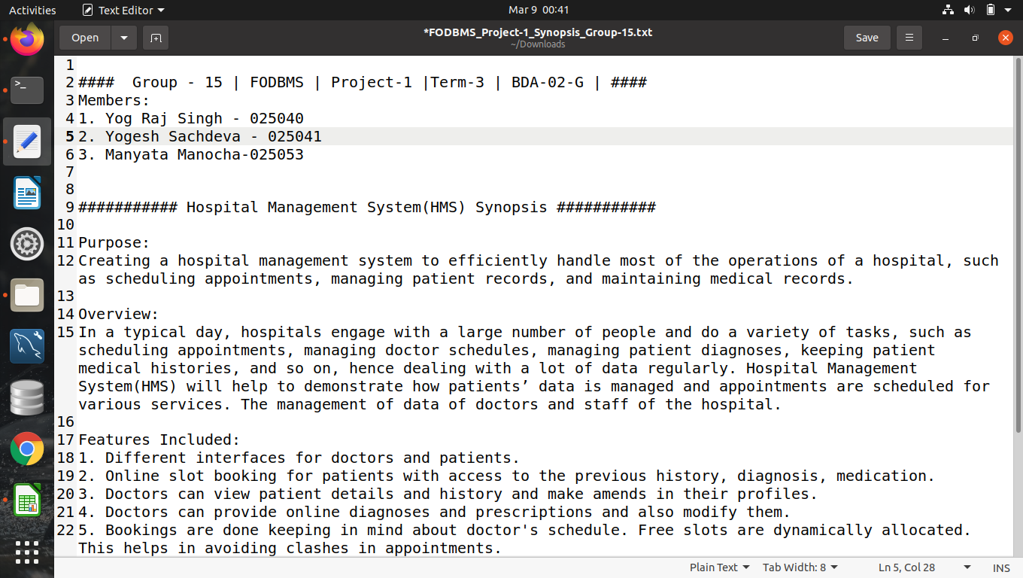

grant_auth
Roles
Role | Name | userid | password | authority | tables
dba | Yog Raj Singh | yograj | yograj | create/drop/grant on all objects
admin | Yogesh Sachdeva | yogesh | yogesh | select,insert,delete,update | All tables
receptionist | Ayushi Sharma | ayushi | ayushi | select | All tables
 |  |  |  | insert,update,delete | patients_appointments, doctors_diagnosis

doctor | Manyata Manocha | manyata | manyata | select | patients, patients_medical_history, doctors, doctors_schedule, doctors_diagnosis
 |  |  |  | insert, update | patients_medical_history

nurse | Pooja kumari | pooja | pooja | select | patients, doctors, schedule
patient | Dhruv Sharma | dhruv | dhruv | select | patients, patients_medical_history, patients_appointments, doctors

User creation code
CREATE USER 'yograj'@'localhost' IDENTIFIED BY 'yograj' ;
CREATE USER 'yogesh'@'localhost' IDENTIFIED BY 'yogesh' ;
CREATE USER 'ayushi'@'localhost' IDENTIFIED BY 'ayushi' ;
CREATE USER 'manyata'@'localhost' IDENTIFIED BY 'manyata' ;
CREATE USER 'pooja'@'localhost' IDENTIFIED BY 'pooja' ;
CREATE USER 'dhruv'@'localhost' IDENTIFIED BY 'dhruv' ;
List of tables:
patients
patients_medical_history
patients_appointments
schedule
medical_history
appointments
doctors
doctors_schedule
doctors_diagnosis

patient
grant select on hospital_db.patients to 'dhruv'@'localhost' ;
grant select on hospital_db.patients_medical_history to 'dhruv'@'localhost' ;
grant select on hospital_db. patients_appointments to 'dhruv'@'localhost' ;
grant select on hospital_db.doctors to 'dhruv'@'localhost' ;
dba
GRANT create,drop, select ON hospital_db.* TO 'yograj'@'localhost' with grant option ;
admin
GRANT select, insert, update, delete ON hospital_db.* TO 'yogesh'@'localhost' ;
receptionist
GRANT select ON hospital_db.* TO 'ayushi'@'localhost' ;
GRANT insert, update, delete ON hospital_db.patients_appointments TO 'ayushi'@'localhost' ;
GRANT insert, update, delete ON hospital_db.doctors_diagnosis TO 'ayushi'@'localhost' ;
doctor
GRANT select ON hospital_db.patients TO 'manyata'@'localhost' ;
GRANT select ON hospital_db.doctors TO 'manyata'@'localhost' ;
GRANT select ON hospital_db.doctors_schedule TO 'manyata'@'localhost' ;
GRANT select ON hospital_db.doctors_diagnosis TO 'manyata'@'localhost' ;
GRANT select,insert,update ON hospital_db.patients_medical_history TO 'manyata'@'localhost' ;
GRANT select ON hospital_db.doctors_diagnosis TO 'manyata'@'localhost' ;
nurse
GRANT select ON hospital_db.patients TO 'pooja'@'localhost' ;
GRANT select ON hospital_db.doctors TO 'pooja'@'localhost' ;
GRANT select ON hospital_db.schedule TO 'pooja'@'localhost' ;

HMS_ERD
